Volume Summary
Chat Daily Volume/ Aba Dec 1st - Dec 30th
 | Date | Sum of Total Chat Requests | Sum of Abandoned | Weekly
1900-01-02 | 1-Dec | 297 | 2
1900-01-03 | 2-Dec | 269 | 5
1900-01-06 | 5-Dec | 370 | 17 | 936
1900-01-07 | 6-Dec | 280 | 2
1900-01-01 | 7-Dec | 257 | 1
1900-01-02 | 8-Dec | 242 | 1
1900-01-03 | 9-Dec | 272 | 0 | 1421
1900-01-06 | 12-Dec | 304 | 3
1900-01-07 | 13-Dec | 208 | 0
1900-01-01 | 14-Dec | 267 | 0
1900-01-02 | 15-Dec | 284 | 23
1900-01-03 | 16-Dec | 262 | 2 | 1325
1900-01-06 | 19-Dec | 256 | 1
1900-01-07 | 20-Dec | 288 | 3
1900-01-01 | 21-Dec | 234 | 1
1900-01-02 | 22-Dec | 235 | 0
1900-01-03 | 23-Dec | 210 | 0 | 1223
1900-01-07 | 27-Dec | 310 | 6
1900-01-01 | 28-Dec | 270 | 13
1900-01-02 | 29-Dec | 305 | 6
Weekly Chat Volume Dec 1st - Dec 30th
1900-01-03 | 30-Dec | 222 | 4 | 1107
 | Grand Total | 5642 | 90

 |  |  |  |  | Week | Chats | Holiday
 |  |  |  |  | 2022-12-05 | 936
 |  |  |  |  | 2022-12-09 | 1421
 |  |  |  |  | 2022-12-16 | 1325
 |  |  |  |  | 2022-12-23 | 1223
 |  |  |  |  | 2022-12-30 | 1107 | x

 |  |  |  |  | Avg w Holiday | 1226.25

Formula Info
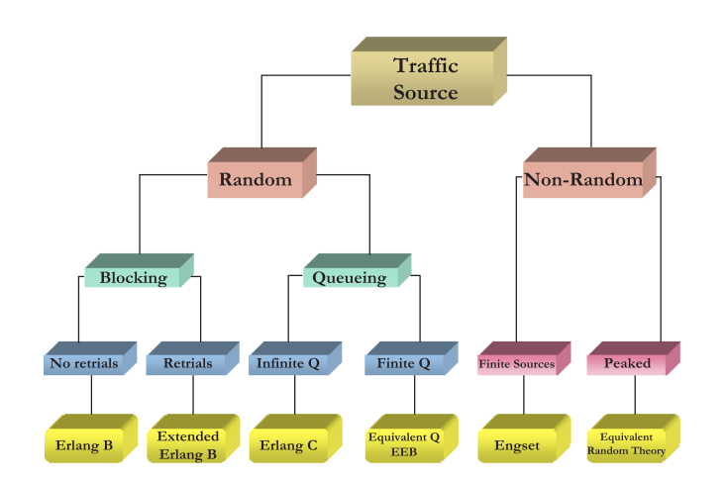
This spreadsheet contains two Erlang calculation functions for staffing Hourly or Half Hourly - function parameters are the same for both functions
Functions return the number of agents required to answer calls within the designated service level threshold based on calls and handle time

 | Function | Parameter Definitions | Examples: change colored fields to test

 | AgentsHourly() | (Service Level %, Service Level Seconds, Calls per interval, Avg Handle Time seconds) | Service Level % |  | 90%
 |  |  | Seconds |  | 10
 | AgentsHalfHour() | (Service Level %, Service Level Seconds, Calls per interval, Avg Handle Time seconds)
 |  |  | Hourly |  |  | Half Hourly
 |  |  | Calls | AHT | Agents | Calls | AHT | Agents
 |  |  | 122 | 60 | 5 | 122 | 223 | 21
 |  |  |  |  | 0 |  |  | 0
 |  |  |  |  | 0 |  |  | 0
 |  |  |  |  | 0 |  |  | 0

Dist
 | Avg Volume by Interval |  |  |  |  |  |  |  | Dist % by Interval |  |  |  |  |  |  | AHT by Interval
 |  |  |  |  |  |  |  |  | 16% | 19% | 18% | 24% | 22% | 0% | 100%
Interval | Mon | Tue | Wed | Thu | Fri | Sat |  | Interval | Mon | Tue | Wed | Thu | Fri | Sat |  | Interval | Mon | Tue | Wed | Thu | Fri | Sat
8:00:00 | 54 | 49 | 49 | 87 | 79 |  |  | 8:00:00 | 6% | 5% | 5% | 6% | 6% |  |  | 8:00:00 | 926 | 737 | 1009 | 785 | 1021
9:00:00 | 91 | 101 | 92 | 143 | 122 |  |  | 9:00:00 | 10% | 9% | 9% | 10% | 10% | #DIV/0! |  | 9:00:00 | 1031 | 884 | 1087 | 860 | 954
10:00:00 | 113 | 159 | 121 | 158 | 165 |  |  | 10:00:00 | 12% | 15% | 12% | 12% | 13% | #DIV/0! |  | 10:00:00 | 807 | 881 | 854 | 1000 | 847
11:00:00 | 124 | 142 | 134 | 172 | 164 |  |  | 11:00:00 | 13% | 13% | 13% | 13% | 13% | #DIV/0! |  | 11:00:00 | 825 | 876 | 975 | 993 | 894
12:00:00 | 138 | 152 | 140 | 184 | 183 |  |  | 12:00:00 | 15% | 14% | 14% | 13% | 15% | #DIV/0! |  | 12:00:00 | 941 | 884 | 829 | 911 | 875
13:00:00 | 127 | 122 | 144 | 177 | 152 |  |  | 13:00:00 | 14% | 11% | 14% | 13% | 12% | #DIV/0! |  | 13:00:00 | 872 | 947 | 840 | 1263 | 859
14:00:00 | 116 | 136 | 129 | 167 | 126 |  |  | 14:00:00 | 12% | 13% | 13% | 12% | 10% | #DIV/0! |  | 14:00:00 | 982 | 948 | 882 | 869 | 952
15:00:00 | 95 | 124 | 130 | 143 | 135 |  |  | 15:00:00 | 10% | 11% | 13% | 10% | 11% |  |  | 15:00:00 | 989 | 939 | 841 | 784 | 927
16:00:00 | 70 | 101 | 88 | 132 | 109 |  |  | 16:00:00 | 8% | 9% | 9% | 10% | 9% |  |  | 16:00:00 | 798 | 939 | 986 | 952 | 808
17:00:00 | 2 |  | 1 |  |  |  |  | 17:00:00 | 0% | 0% | 0% | 0% | 0% |  |  | 17:00:00 | 1320 |  | 540

 | 930 | 1086 | 1028 | 1363 | 1235 | 0 | 5642 |  |  |  |  |  |  |  |  | Overall AHT | 913

Avg Volume by Day/Interval
 | Mon | Tue | Wed | Thu | Fri | Sat
8:00:00 | 54 | 49 | 49 | 87 | 79
9:00:00 | 91 | 101 | 92 | 143 | 122
10:00:00 | 113 | 159 | 121 | 158 | 165
11:00:00 | 124 | 142 | 134 | 172 | 164
12:00:00 | 138 | 152 | 140 | 184 | 183
13:00:00 | 127 | 122 | 144 | 177 | 152
14:00:00 | 116 | 136 | 129 | 167 | 126
15:00:00 | 95 | 124 | 130 | 143 | 135
16:00:00 | 70 | 101 | 88 | 132 | 109
17:00:00 | 2 |  | 1
Dist % by Day/Interval
 | Mon | Tue | Wed | Thu | Fri | Sat
8:00:00 | 6% | 5% | 5% | 6% | 6%
9:00:00 | 10% | 9% | 9% | 10% | 10% | 0%
10:00:00 | 12% | 15% | 12% | 12% | 13% | 0%
11:00:00 | 13% | 13% | 13% | 13% | 13% | 0%
12:00:00 | 15% | 14% | 14% | 13% | 15% | 0%
13:00:00 | 14% | 11% | 14% | 13% | 12% | 0%
14:00:00 | 12% | 13% | 13% | 12% | 10% | 0%
15:00:00 | 10% | 11% | 13% | 10% | 11%
16:00:00 | 8% | 9% | 9% | 10% | 9%
17:00:00 | 0% | 0% | 0% | 0% | 0%
 |  |  |  |  |  |  |  |  |  |  |  |  |  |  |  |  |  |  |  |  |  |  | Mon | 16%
 |  |  |  |  |  |  |  |  |  |  |  |  |  |  |  |  |  |  |  |  |  |  | Tue | 19%
 |  |  |  |  |  |  |  |  |  |  |  |  |  |  |  |  |  |  |  |  |  |  | Wed | 18%
 |  |  |  |  |  |  |  |  |  |  |  |  |  |  |  |  |  |  |  |  |  |  | Thu | 24%
 |  |  |  |  |  |  |  |  |  |  |  |  |  |  |  |  |  |  |  |  |  |  | Fri | 22%
 |  |  |  |  |  |  |  |  |  |  |  |  |  |  |  |  |  |  |  |  |  |  | Sat | 0%
Daily Dist %

